Sales Invoice
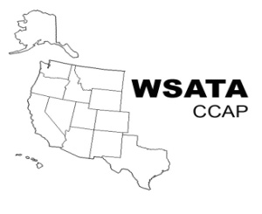 | WSATA - CCAP |  | INVOICE

RETURN THIS INVOICE TO |  | MAKE CHECK PAYABLE TO WSATA-CCAP
ANJA PANGBORN |  | AND MAIL TO
ANJAP@DOR.WA.GOV |  | WSATA-CCAP
P (253) 382-2015 |  | PO BOX 112488
 |  | TACOMA, WA 98411

MAKE CHECK PAYABLE TO WSATA-CCAP CHECK SUBJECT: HANDBOOK

 | ORDER DATE | SHIP DATE | SHIP VIA
 |  |  | USPS
 | SHIP TO | COMMENTS OR SPECIAL INSTRUCTIONS

ATTN:
PHONE:

QUANTITY | DESCRIPTION | UNIT PRICE | AMOUNT

 | Appraisal Handbook (WSATA Member) | $45.00 | $-

 | Appraisal Handbook (Non-Member) | 95.00 | $-

 |  | SUBTOTAL | $-
 |  | TAX RATE | 0.00%
 |  | SALES TAX | -
 |  | SHIPPING & HANDLING | 5.00
 |  | TOTAL | $5.00

Make check payable to WSATA-CCAP. Check Subject: Handbook
Return this invoice and check to Anja Pangborn.
If you have any questions concerning this invoice, contact:
Anja Pangborn, Secretary-Treasurer, (253) 382-2015, anjap@dor.wa.gov.

Western States Association of Tax Administrators - Committee on Centrally Assessed Properties

